Sheet1
Bug ID | Bug Title | Steps To Reproduce | Expected Result | Actual Result | Severity | Priority | Environment | Reporter | Assigned To | Attachments | Status
bug_01 products | Vendors Form Focus Not Moving to Next Field | 1- Open the BrowserStack Demo website:https://bstackdemo.com/ 2- Navigate to the Products page. 3- Locate the Vendors section (Apple)After This Click on (Samsung And Google). 4- Try to move to the next field using mouse click or Tab key. | The application should update the UI to display the newly selected field and shift the focus to it immediately after the click action. | The newly clicked field does not appear, and the focus remains on the same field without moving to the next one or leaving the initially selected field. | Medium | High | Products Environment | Marwa Attia | Back End Team | 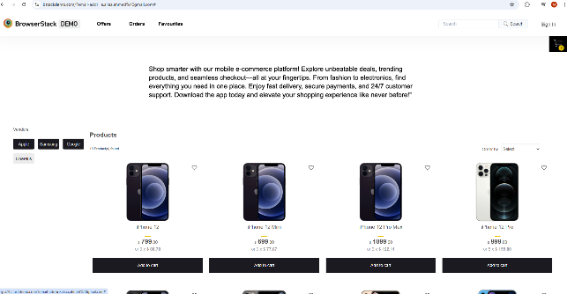 | New
bug_02 Search | Search bar fails to execute search and clears input text after pressing Enter | 1- Open the BrowserStack Demo website:https://bstackdemo.com/ 2- Navigate to the Search bar at the top right of the page. 3- Enter a valid product name ( "iPhone 11"). 4- Press the "Enter" key on the keyboard. | The system should filter and display the products matching the search query, and the search text should remain visible in the bar. | No search operation is triggered, and the search input field is cleared immediately after pressing Enter. | High | High | Products Environment | Marwa Attia | Back End Team | 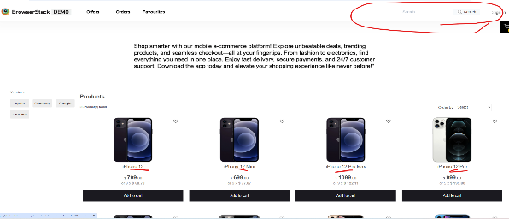 | New
bug_03 Contact Us | Broken link in footer; "Contact Us" redirects to a 404 Error page | 1- Open the BrowserStack Demo website:https://bstackdemo.com/ 2- Scroll down to the footer section of the BrowserStack Demo homepage. 3- Locate the "Contact Us" link under the "Offers" column. 4- Click on the "Contact Us" link. 5- Observe the resulting page. | The system should navigate the user to the Contact Us page or open a contact form. | The page redirects to a "404 This page could not be found" error. | Critical | Medium | Products Environment | Marwa Attia | Back End Team | 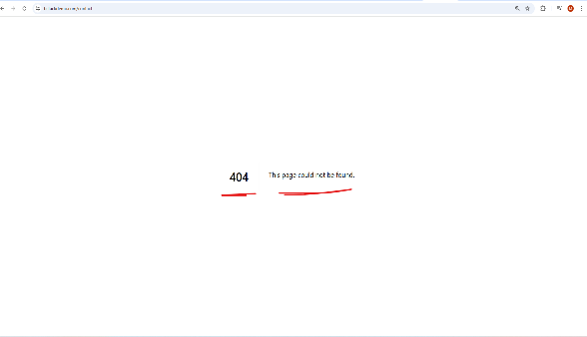 | New
bug_04 Privacy Policy | Broken link in footer; "Privacy Policy" redirects to a 404 Error page | 1- Open the BrowserStack Demo website:https://bstackdemo.com/ 2- Scroll down to the footer section of the BrowserStack Demo homepage. 3- Click on the "Privacy Policy" link located on the left side. 4- Click on the "Privacy Policy" link. 5- Observe the resulting page. | The Privacy Policy page should load correctly with the legal terms and conditions. | The user is redirected to a "404 This page could not be found" error page. | Critical | High | Products Environment | Marwa Attia | Back End Team | 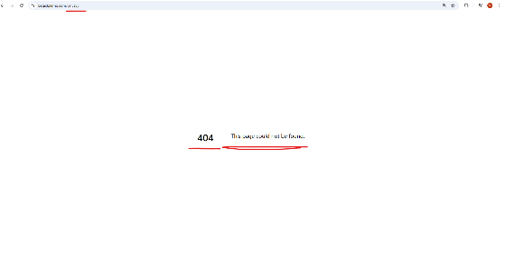 | New
bug_05 Careers | "Careers" link in the footer leads to a 404 Error page | 1- Open the BrowserStack Demo website:https://bstackdemo.com/ 2- Scroll down to the footer section of the BrowserStack Demo homepage. 3- Click on the "Careers" link located in the navigation list on the left. 4- Click on the "Careers" link. 5- Observe the resulting page. | The user should be redirected to the Careers page to view available job openings. | The application displays a "404 This page could not be found" error | Critical | Low | Products Environment | Marwa Attia | Back End Team | 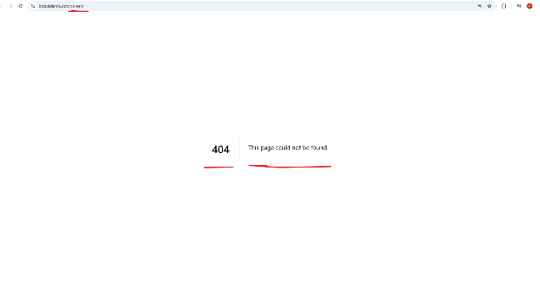 | New
bug_06 Subscribe to Newsletter | Newsletter subscription fails to submit and appends email to URL as a query parameter. | 1- Open the BrowserStack Demo website:https://bstackdemo.com/ 2- Scroll to the bottom right of the page to the "Newsletter" section. 3- Enter a valid email address in the input field:marwaattia2742003@gmail.com 4- Click the "Subscribe to Newsletter" button. | The system should process the subscription and display a success message (For Example: "Subscribed successfully"). | Nothing happens on the UI, and the email is appended to the URL (https://bstackdemo.com/?email-addr=marwaattia2742003%40gmail.com#) without any confirmation. | Medium | Medium | Products Environment | Marwa Attia | Back End Team | 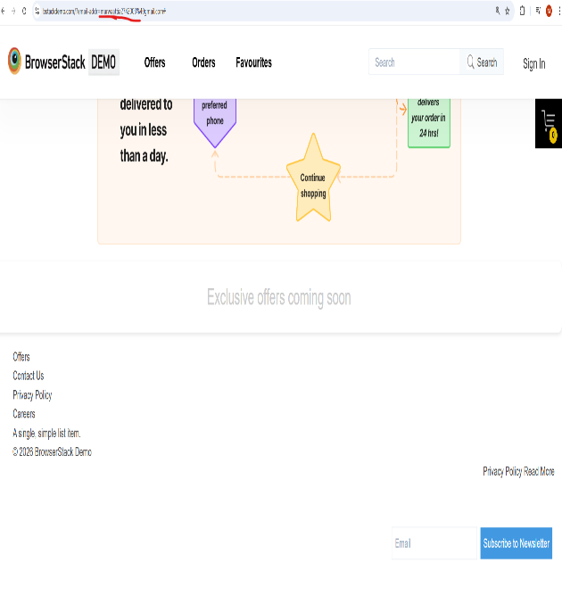 | New
bug_07 (Search) Searching about non-existent product | Search results do not update when searching for a non-existent product : "Nokia". | 1- Open the BrowserStack Demo website:https://bstackdemo.com/ 2- Click on the Search bar. 3- Write Type "Nokia" (a product that is not in the store). Press "Enter" or click the search icon. | The product grid should clear, and a message like "No products found matching your search" should be displayed. | The UI does not change; the previous products (Apple/Samsung) remain displayed, giving the user the impression that the search was not executed. | Medium | Medium | Products Environment | Marwa Attia | Back End Team | 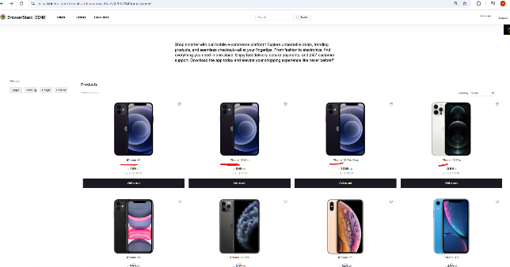 | New
bug_08 Layout | Layout inconsistency and element misalignment between the Product Grid and Footer sections. | 1- Open the BrowserStack Demo website:https://bstackdemo.com/ 2-Scroll down to the bottom of the page (Footer area). 3-Observe the spacing between the last row of products and the "Exclusive offers coming soon" section. 4-Check the alignment of the "Workflow Diagram" relative to the footer links. | All sections should have consistent padding and margins, and the Workflow Diagram should be centered and aligned properly within the footer. | There is inconsistent white space (excessive padding) above the footer, and the workflow diagram appears shifted, creating a visually broken layout. | Low | Low | Products Environment | Marwa Attia | Back End Team | 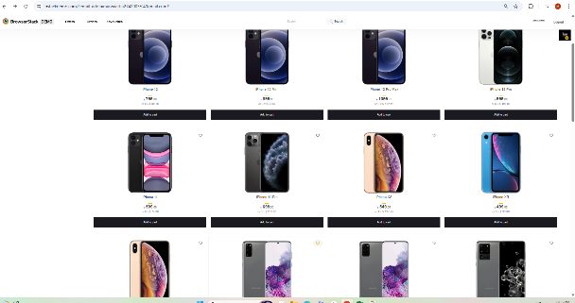 | New
bug_09 Typography | Inconsistent font sizes and styles across the Hero section and Footer links | 1- Open the BrowserStack Demo website:https:https://bstackdemo.com/ 2- Compare the font size of the main description text in the Hero section with the font size of the product names. 3-Scroll down to the footer and observe the font style of the "Offers" and "Contact Us" links. | The website should use a unified typography scale (Font Hierarchy). Headlines should be distinctly larger than body text, and footer links should be legible and consistent in style. | The font in the Hero section description is disproportionately large compared to product details, and the footer text uses a different font weight that makes it harder to read. | Low | Medium | Products Environment | Marwa Attia | Back End Team | 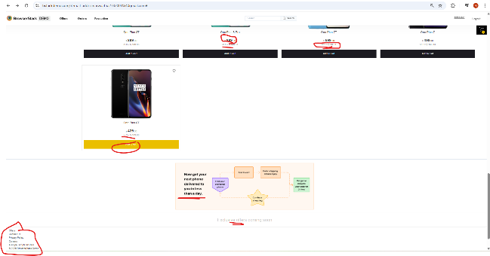 | New
bug_10 Price Readability | Product prices are not user-friendly due to poor formatting and confusing layout of installment options. | 1- Open the BrowserStack Demo website:https://bstackdemo.com/ 2-Scroll to any product For Example(iPhone 12). 3-Observe the price display and the installment text below it. | The price should be prominent with a clear currency symbol, and installment information should be clearly separated or styled differently to avoid visual clutter. | The price is written in a very small font size for the cents For Example (., .00), and the installment text (9 x $ 88.78) is placed too close to the main price, making it difficult to distinguish the total cost at a glance. | Low | Medium | Products Environment | Marwa Attia | Back End Team | 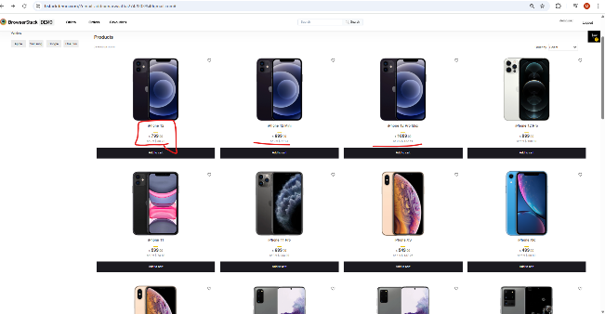 | New
bug_11 Validation Testing | Newsletter subscription field lacks email validation and accepts invalid formats | 1- Open the BrowserStack Demo website:https://bstackdemo.com/ 2-Scroll down to the Newsletter section at the bottom right. 3-Enter an invalid email format: hggvuvygviy@uuu 4-Click the "Subscribe to Newsletter" button. | : The system should display a validation error message "Please enter a valid email address" and prevent form submission. | The system accepts the invalid input without any error message or validation | Low | Medium | Products Environment | Marwa Attia | Back End Team | 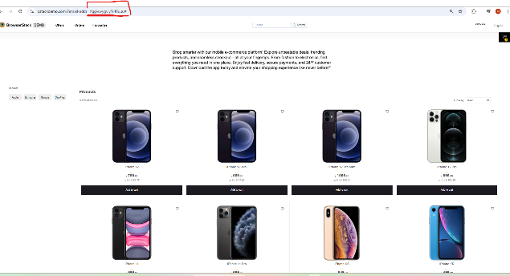 | New
bug_12 Data Persistence Bug | Favorites list is cleared (data not persisted) after page refresh or reload | 1- Open the BrowserStack Demo website:https://bstackdemo.com/ 2- Click on the "Heart" icon (Favorites) on multiple products: iPhone 12, iPhone 12 Mini. 3- Verify that the products are added to the "Favourites" section in the navbar. 4- Refresh the page by click on the reload button. 5-Check the "Favourites" section again | The selected products should remain in the Favorites list after the page reloads. | The Favorites list is reset to zero, and all previously selected products disappear. | High | High | Products Environment | Marwa Attia | Back End Team | 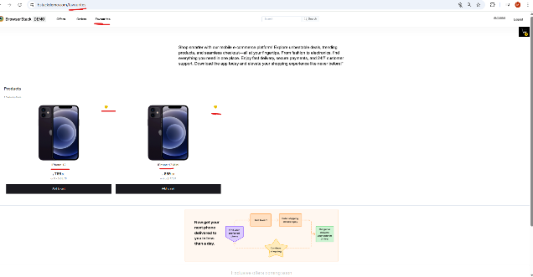 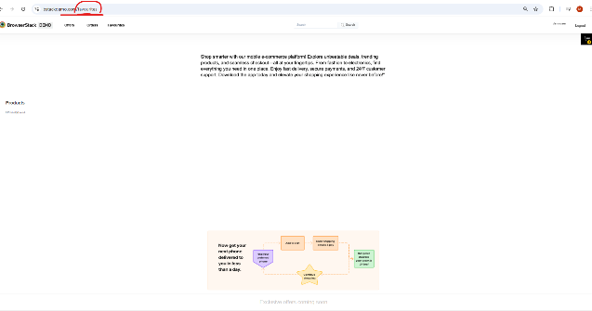 | New
bug_13 Missing Authentication Access Points (Sign up / Sign in) | Authentication buttons (Sign In / Sign Up) are missing from the Global Header on the Product Page. | 1- Open the BrowserStack Demo website:https://bstackdemo.com/ 2- Open the BrowserStack Demo home page. 3- navigate to the BrowserStack Demo home page. 4- Wait for the Product Grid to load completely. 5- Observe the Global Header (Top-right corner). 6- Verify the presence of "Sign In" or "Sign Up" links/buttons. | The Global Header should contain clearly visible "Sign In" and/or "Sign Up" buttons to allow users to access their accounts | The top-right corner of the header is empty or lacks authentication triggers, preventing users from logging in. | High | High | Products Environment | Marwa Attia | Back End Team | 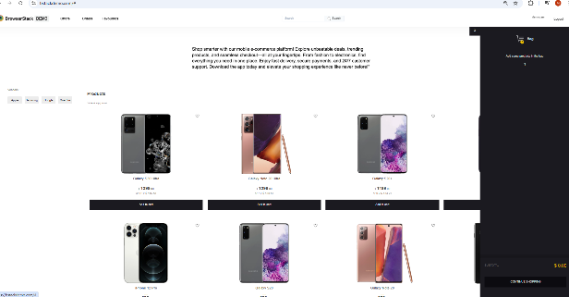 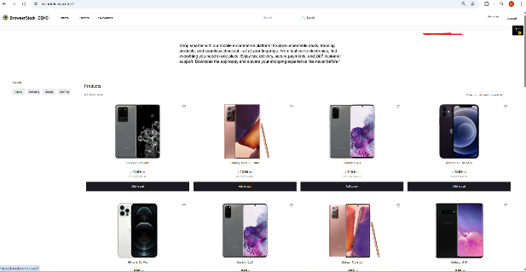 | New
bug_14 Incorrect Pluralization Formatting in Product Counter | Static pluralization "(s)" used instead of dynamic formatting in "9 Product(s) found". | 1- Open the BrowserStack Demo website:https://bstackdemo.com/ 2- Open the BrowserStack Demo home page. 3- Observe the product counter text displayed above the product grid. 4- Count the total products (which is 9). 5- Read the status message: "9 Product(s) found". | The text should dynamically change based on the count. Since the count is 9, it should say: "9 Products found" (without parentheses). | The system uses a generic label "Product(s)" regardless of the number, which looks unprofessional in the UI. | Low | Low | Products Environment | Marwa Attia | Back End Team | 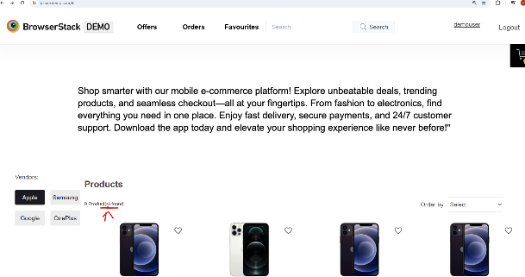 | New
bug_15 Profile Element Functional Failure & Misplacement | demouser' Profile label is non-functional (unclickable) and incorrectly positioned at the top. | 1- Open the BrowserStack Demo website:https://bstackdemo.com/ 2- Open the BrowserStack Demo home page. 3- Locate the word "demouser" (Profile label) at the top of the sidebar. 4- Attempt to click on the word "demouser" to access profile settings or account details. 5- Observe the system not response. | 1- The Profile element should be located at the bottom of the sidebar. 2- The element should be an interactive link/button that opens the user profile or a dropdown menu when clicked | 1- The system displays a static label: "9 Product(s) found". 2- Even when only one product is filtered, it still shows: "1 Product(s) found". | Critical | High | Products Environment | Marwa Attia | Back End Team | 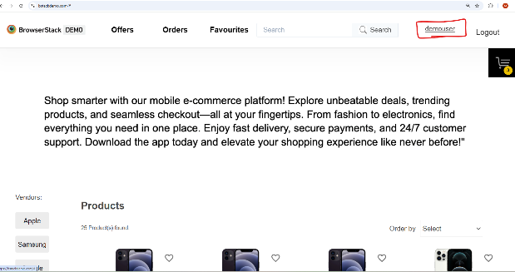 | New
bug_16 Hard Block on "Offers" Page Due to Geolocation Requirement | "Offers" page is inaccessible and shows "Please enable Geolocation" without providing alternative content or fallback. | 1- Open the BrowserStack Demo website:https://bstackdemo.com/ 2- Open the website with Geolocation disabled in browser settings. 3- Scroll to the Footer. 4- Click on "Offers". 5- Notice the persistent message: "Please enable Geolocation in your browser." | 1- The site should show "General Offers" or a default list if Geolocation is denied. 2- The message should be a suggestion, not a hard blocker for the entire page. | The user is completely blocked from viewing any offers until they change browser settings. | Critical | High | Products Environment | Marwa Attia | Back End Team | 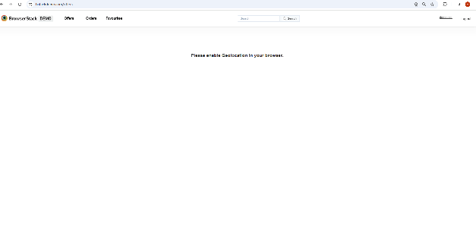 | New
bug_17 Product Grid - Inactive Product Detail Page Redirect | Clicking on product image or title in the home page grid fails to redirect to the Product Detail Page (PDP). | 1- Open the BrowserStack Demo website:https://bstackdemo.com/ 2- Navigate to the BrowserStack Demo home page 3- Wait for the product grid to load completely. 4- Locate the first product, "iPhone 12". 5- Click directly on the product image. 6- Observe the application's behavior. 7- Repeat the test by clicking on the product title ("iPhone 12"). | 1- The browser should immediately redirect the user to the dedicated Product Detail Page for "iPhone 12". 2- The URL should change to reflect the product slug (product/iphone-12). | 1- No action occurs upon clicking the image or title. 2- The user remains on the Home Page, and the URL does not change. | Critical | High | 1- Products Environment 2- URL: https://bstackdemo.com/ | Marwa Attia | Back End Team | 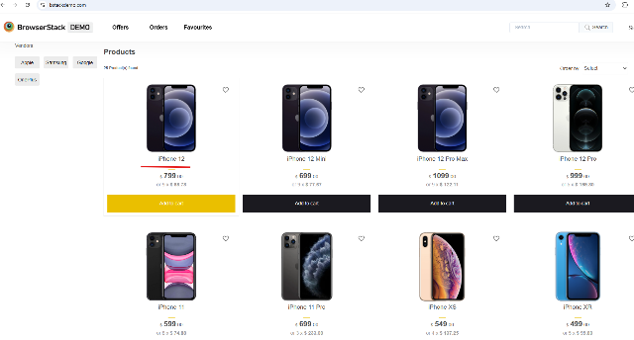 | New

